BillOfMaterials
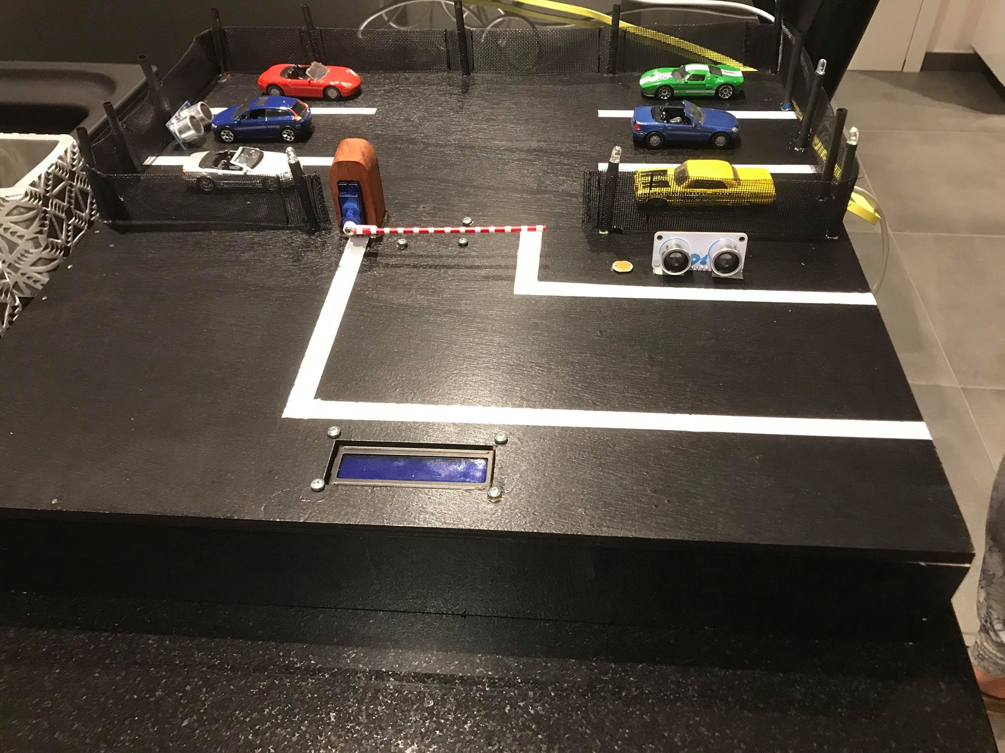
 | CLASS: | 1NMCT3
 | NAME: | Clemens
 | FIRSTNAME: | Gilles
 | Assembly Name : | Smart Parking lot
 | Assembly Revision :
 | Approval Date :
 | Part Count : | 13
 | Total Cost : | €165.66

Part # | Part Name | Description | Revision | Qty | Supplier | Units | Unit Cost | Max Cost | Real Cost
1 | Grove - Ultrasonic Ranger | Motion sensor voor elke parkeerplaats | 1 | 5 | https://www.kiwi-electronics.nl/grove-ultrasonic-ranger?lang=nl | 6 | €4.75 | €28.50 | €23.75
2 | 10 pcs NFC Ntag213 TAG Sticker 13.56 MHz NTAG 213 Universele Label RFID Key Token Patrol NXP MIFARE Ultralight Tags | RFID tags voor op auto | 1 | 1 | https://nl.aliexpress.com/item/10pcs-Lot-NFC-TAG-Sticker-13-56MHz-ISO14443A-NTAG-213-NFC-Sticker-Universal-Lable-RFID-Tag/32709729334.html?spm=a2g0z.search0104.3.1.22551169kNmG7a&ws_ab_test=searchweb0_0,searchweb201602_4_10065_10068_10890_319_10546_317_10548_10696_10084_453_454_10083_10618_10304_10307_10820_537_536_10902_10843_10059_10884_10887_321_322_10103,searchweb201603_51,ppcSwitch_0&algo_expid=5389c446-3e8d-4bf7-97ea-63abcefb1dda-0&algo_pvid=5389c446-3e8d-4bf7-97ea-63abcefb1dda&transAbTest=ae803_3 | 1 | €1.27 | €1.27 | €1.27
3 | RFID Reader | Reader om RFID tags te lezen | 1 | 1 | https://nl.aliexpress.com/item/USB-port-EM4001-125khz-RFID-ID-Contactless-sensitivity-Smart-Card-Reader-support-window-system/32743649284.html?spm=a2g0z.search0104.3.1.1f9a5205pzUhNX&ws_ab_test=searchweb0_0,searchweb201602_4_10065_10068_10890_319_10546_317_10548_10696_10084_453_454_10083_10618_10304_10307_10820_537_536_10902_10843_10059_10884_10887_321_322_10103,searchweb201603_51,ppcSwitch_0&algo_expid=285c88b8-3bf1-44c5-842f-99e91b656ef2-3&algo_pvid=285c88b8-3bf1-44c5-842f-99e91b656ef2&transAbTest=ae803_3 | 1 | €4.99 | €4.99 | €4.99
4 | Lichtsensor | Lichtsensor om te lezen wanneer de verlichting aan moet | 1 | 1 | https://be.farnell.com/lprs/n5ac501085/light-dependent-resistor-5mohm/dp/7482280 | 1 | €2.48 | €2.48 | €-
5 | servomotor | servomotor om de slagboom aan te sturen | 1 | 1 | https://www.conrad.be/p/hitec-standaard-servo-hs-422-analoge-servo-materiaal-aandrijving-nylon-nl-1546349 | 1 | €17.76 | €17.76 | €-
6 | led rood | rode led om bezette staat aan te geven | 1 | 1 | https://nl.aliexpress.com/item/5Colors-20-PCS-100-PCS-1-Kleur-100-pcs-F3-3mm-LED-Diode-Licht-Verschillende-kit/32886530132.html?spm=a2g0z.search0104.3.3.48683510KITDnm&transAbTest=ae803_3&ws_ab_test=searchweb0_0%2Csearchweb201602_4_10065_10068_10890_319_10546_317_10548_10696_10084_453_454_10083_10618_10304_10307_10820_537_536_10902_10843_10059_10884_10887_321_322_10103%2Csearchweb201603_51%2CppcSwitch_0&algo_pvid=34277746-03ec-4b22-97b5-d995118c2b64&algo_expid=34277746-03ec-4b22-97b5-d995118c2b64-0 | 1 | €0.89 | €0.89 | €0.89
7 | led groen | groene led om vrije staat aan te geven | 1 | 1 | https://nl.aliexpress.com/item/5Colors-20-PCS-100-PCS-1-Kleur-100-pcs-F3-3mm-LED-Diode-Licht-Verschillende-kit/32886530132.html?spm=a2g0z.search0104.3.3.48683510KITDnm&transAbTest=ae803_3&ws_ab_test=searchweb0_0%2Csearchweb201602_4_10065_10068_10890_319_10546_317_10548_10696_10084_453_454_10083_10618_10304_10307_10820_537_536_10902_10843_10059_10884_10887_321_322_10103%2Csearchweb201603_51%2CppcSwitch_0&algo_pvid=34277746-03ec-4b22-97b5-d995118c2b64&algo_expid=34277746-03ec-4b22-97b5-d995118c2b64-0 | 1 | €0.89 | €0.89 | €0.89
8 | led wit | witte led voor de verlichting na te bootsen | 1 | 1 | https://nl.aliexpress.com/item/5Colors-20-PCS-100-PCS-1-Kleur-100-pcs-F3-3mm-LED-Diode-Licht-Verschillende-kit/32886530132.html?spm=a2g0z.search0104.3.3.48683510KITDnm&transAbTest=ae803_3&ws_ab_test=searchweb0_0%2Csearchweb201602_4_10065_10068_10890_319_10546_317_10548_10696_10084_453_454_10083_10618_10304_10307_10820_537_536_10902_10843_10059_10884_10887_321_322_10103%2Csearchweb201603_51%2CppcSwitch_0&algo_pvid=34277746-03ec-4b22-97b5-d995118c2b64&algo_expid=34277746-03ec-4b22-97b5-d995118c2b64-0 | 1 | €0.89 | €0.89 | €0.89
9 | dispaly | display om status slagboom aan te geven | 1 | 1 | https://nl.aliexpress.com/item/VFD-Display-Is-Noritake-itron-Dot-Matrix-VFD-Screen-MN12864K/32898368052.html?spm=a2g0z.search0302.3.203.34815339193tEk&ws_ab_test=searchweb0_0,searchweb201602_0_453_454_10618_536_10890_317_537_319_10059_10696_10084_10083_10304_10546_10843_10887_10307_321_10548_322_10902_10065_10068_10103_10884_10820,searchweb201603_0,ppcSwitch_0&algo_pvid=5d0b5bfd-5aed-4cbf-910b-16678a9ba2d9&algo_expid=5d0b5bfd-5aed-4cbf-910b-16678a9ba2d9-25 | 1 | €17.60 | €17.60 | €-
10 | houten plaat | de plaat om de basis op te bouwen | 1 | 1 | https://www.hubo.be/nl/p/mdf-plaat-244x122-cm-18mm-waterwerend/101443.html | 1 | €24.99 | €24.99 | €-
11 | kippengaas | wordt gebruikt voor de omheining | 1 | 1 | https://www.gamma.be/nl/assortiment/vogelgaas-handson-5-m-x-100-cm-geplastificeerd/p/B536821 | 1 | 16.95 | €16.95 | €-
13 | Raspberry PI 3 | Het hart van het project | 1 | 1 | https://www.raspberrystore.nl/PrestaShop/home/191-raspberry-pi-perfection-3-model-b-0713179640259.html | 1 | €39.95 | €39.95 | €-
14 | SD kaart | SD kaart voor raspberry PI | 1 | 1 | https://www.bol.com/nl/p/kingston-technology-canvas-select-flashgeheugen-32-gb-microsdhc-klasse-10-uhs-i/9200000089654528/?suggestionType=typedsearch&bltgh=pVQH-4De1SkxUzccysNJiw.1.5.ProductTitle | 1 | €8.50 | €8.50 | €-
15 | Black Paint | Paint to paint the parkinlot | 1 | 1 | Euroshop | 1 | €12.54 | €12.54

