GUI
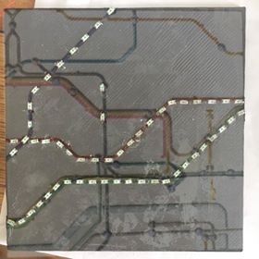

( 0x0, 0x0, 0x0, 0xA, 0xA, 0xA, 0x0, 0x0)

