HCHO
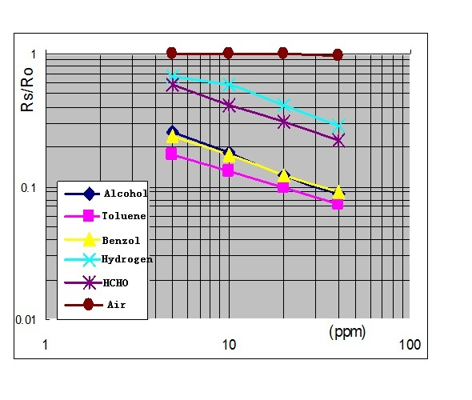
 | refer to: http://www.mouser.com/catalog/specsheets/Seeed_101020001.pdf
ppm vs Rs/R0 (Benzol)
 | ppm vs Rs/R0
5 | 0.25
10 | 0.17784466522
15 | 0.14572208483
20 | 0.1265148998
25 | 0.11337799667
30 | 0.10366358157
35 | 0.096102471316
40 | 0.09

 | Parameters for Reverted Formula
c | 1/b | -2.0353731733
d | 1/a | 0.29754540599

 | Rs/R0 = F(ppm) | ppm = Finv(Rs/R0)
X (ppm) | Y (Rs/R0) = (X*a)^b | ppm = ((Rs/R0)^(1/b))/a
5 | 0.25 | 5
10 | 0.17784466522 | 10
15 | 0.14572208483 | 15
20 | 0.1265148998 | 20
25 | 0.11337799667 | 25
30 | 0.10366358157 | 30
35 | 0.096102471316 | 35
40 | 0.09 | 40

 |  |  |  | Calculation of a and b
 |  |  |  | Y = (X*a)^b

 |  |  |  | Y1 = (X1*a)^b
 |  |  |  | Y2 = (X2*a)^b
 |  |  |  |  |  |  |  | Reference point (from graph)
 |  |  |  | Y1/Y2 = (X1*a)^b/(X2*a)^b = (X1/X2)^b | Calculated (from reference point) |  |  |  | X | Y
 |  |  | value of b: | b=log[x1/x2](Y1/Y2) | b = | -0.49131039611 |  | point 1 | 5 | 0.25
 |  |  |  |  | a = | 3.3608315903 |  | point 2 | 40 | 0.09
 |  |  |  |  | Test
 |  |  |  | Y1 = X1^b*a^b |  | x | y
 |  |  |  | Y1/(X1^b) = a^b | p1 | 5 | 0.25
 |  |  | value of a: | a=sq[b](Y1/X1^b) | p2 | 40 | 0.09

MQ9
 | http://wiki.seeedstudio.com/wiki/Grove_-_Gas_Sensor(MQ9)
ppm vs Rs/R0 (CO)
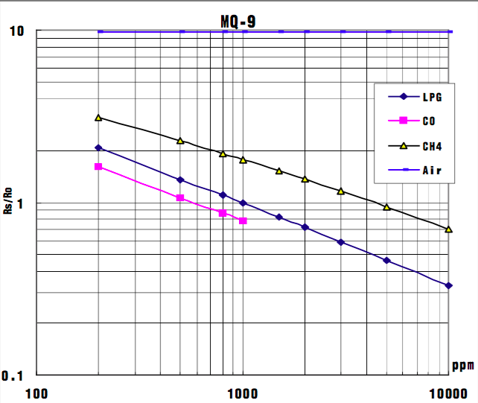

 | Parameters for Reverted Formula
c | 1/b | -2.3219280949
d | 1/a | 595.63734361

 | Rs/R0 = F(ppm) | ppm = Finv(Rs/R0)
X (ppm) | Y (Rs/R0) = (X*a)^b | ppm = ((Rs/R0)^(1/b))/a
200 | 1.6 | 200
300 | 1.3436359194 | 300
400 | 1.1870620481 | 400
500 | 1.0782924128 | 500
600 | 0.99686200394 | 600
700 | 0.93283026918 | 700
800 | 0.88069769124 | 800
900 | 0.83713724696 | 900
1000 | 0.8 | 1000

 |  |  |  | Calculation of a and b
 |  |  |  | Y = (X*a)^b

 |  |  |  | Y1 = (X1*a)^b
 |  |  |  | Y2 = (X2*a)^b
 |  |  |  |  |  |  |  | Reference point (from graph)
 |  |  |  | Y1/Y2 = (X1*a)^b/(X2*a)^b = (X1/X2)^b | Calculated (from reference point) |  |  |  | X | Y
 |  |  | value of b: | b=log[x1/x2](Y1/Y2) | b = | -0.43067655807 |  | point 1 | 200 | 1.6
 |  |  |  |  | a = | 0.0016788739167 |  | point 2 | 1000 | 0.8
 |  |  |  |  | Test
 |  |  |  | Y1 = X1^b*a^b |  | x | y
 |  |  |  | Y1/(X1^b) = a^b | p1 | 200 | 1.6
 |  |  | value of a: | a=sq[b](Y1/X1^b) | p2 | 1000 | 0.8

Dust
 |  | http://www.howmuchsnow.com/arduino/airquality/grovedust/

ratio | concentration
0 | 0.62
0.2 | 104.4768
0.4 | 208.0824
0.6 | 311.4896
0.8 | 414.7512
1 | 517.92
1.2 | 621.0488
1.4 | 724.1904
1.6 | 827.3976
1.8 | 930.7232
2 | 1034.22
2.2 | 1137.9408
2.4 | 1241.9384
2.6 | 1346.2656
2.8 | 1450.9752
3 | 1556.12
3.2 | 1661.7528
3.4 | 1767.9264
3.6 | 1874.6936
3.8 | 1982.1072
4 | 2090.22
4.2 | 2199.0848
4.4 | 2308.7544
4.6 | 2419.2816
4.8 | 2530.7192
5 | 2643.12
5.2 | 2756.5368
5.4 | 2871.0224
5.6 | 2986.6296
5.8 | 3103.4112
6 | 3221.42
6.2 | 3340.7088
6.4 | 3461.3304
6.6 | 3583.3376
6.8 | 3706.7832
7 | 3831.72
7.2 | 3958.2008
7.4 | 4086.2784
7.6 | 4216.0056
7.8 | 4347.4352
8 | 4480.62
8.2 | 4615.6128
8.4 | 4752.4664
8.6 | 4891.2336
8.8 | 5031.9672
9 | 5174.72
9.2 | 5319.5448
9.4 | 5466.4944
9.6 | 5615.6216
9.8 | 5766.9792
10 | 5920.62
10.2 | 6076.5968
10.4 | 6234.9624
10.6 | 6395.7696
10.8 | 6559.0712
11 | 6724.92
11.2 | 6893.3688
11.4 | 7064.4704
11.6 | 7238.2776
11.8 | 7414.8432
12 | 7594.22
12.2 | 7776.4608
12.4 | 7961.6184
12.6 | 8149.7456
12.8 | 8340.8952
13 | 8535.12

