BillOfMaterials

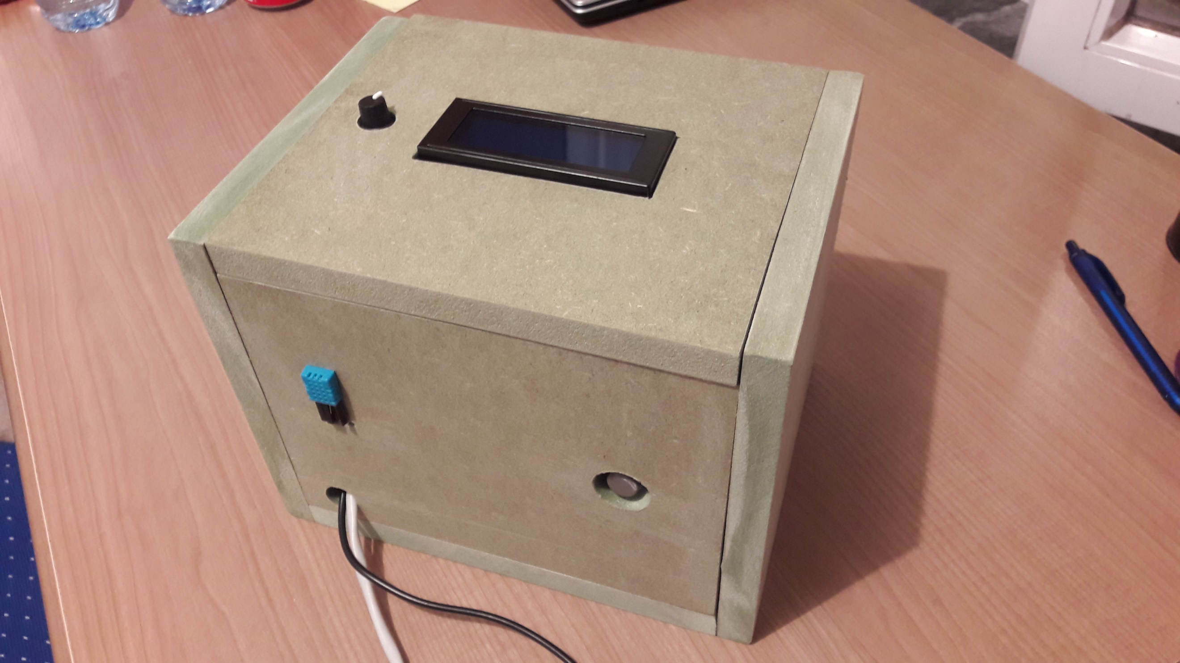
 | CLASS: | 1NMCT1
 | NAME: | Dujardin
 | FIRSTNAME: | Steven
 | Assembly Name : | Luchtkwaliteitsmeter
 | Assembly Revision :
 | Approval Date : | 20-Jun-17
 | Part Count : | 10
 | Total Cost : | €85

 |  |  |  |  |  | (picture kan pas toegevoegd worden bij eindoplevering!)

Part # | Part Name | Description | Revision | Qty | Supplier | also available from | Units | Unit Cost | Max Cost | Real Cost
1 | Hout en materiaal | MDF-plaat |  | 1 | / |  | 1 | / | /
2 | Raspberry PI | Raspberry Pi 3 model B |  | 1 | https://www.sossolutions.be/raspberry-pi-model-3b |  | 1 | $40.40 | €40.40 | €40.40
3 | Micro SD adapter | 2A Micro-USB via stopcontact |  | 1 | https://www.sossolutions.be/2a-via-stopcontact |  | 1 | $8.95 | €8.95 | €8.95
4 | Micro SD kaart | Micro SD kaart 8GB |  | 1 | https://www.sossolutions.be/8gb-microsdhc-kaart |  | 1 | $7.95 | €7.95 | €7.95
5 | Temperatuur&vochtigheidssensor | Nieuwe 2 stks DS18B20 rvs pakket 1 meters waterdicht Ds18b20 Temperatuursensor sensor 18B20 |  | 1 | https://nl.aliexpress.com/item/Free-Shipping-1pcs-DS18B20-Stainless-steel-package-1-meters-waterproof-DS18b20-temperature-probe-temperature-sensor-18B20/2036115885.html?spm=2114.010208.3.1.8SVwpQ&ws_ab_test=searchweb201556_0%2Csearchweb20160+2_3_10037_10017_10033_406_10032_10040%2Csearchweb201603_11&btsid=0990966d-0117-43bf-b71424a74348f0e3 |  | 1 | $2.00 | €2.00 | €1.95
6 | breadboard wires | 65x wires |  | 1 | https://www.hackerstore.nl/Artikel/38 |  | 1 | $5.00 | €5.00 | €5.95
7 | CO2 sensor | Gravity: Analog CO2 Gas Sensor For Arduino |  | 1 | https://www.dfrobot.com/product-1023.html |  | 1 | $5.00 | €5.00 | €3.95
8 | T-cobbler pus | GPIO-Adapter IO-Cobbler (Raspberry Pi 3) |  | 1 | https://www.hackerstore.nl/Artikel/264 |  | 1 | $2.95 | €2.95 | €2.95
9 | mcp3008 | 8-kanaals ADC met SPI-interface in DIP-behuizing |  | 1 | https://www.hackerstore.nl/Artikel/594 |  | 1 | $3.95 | €3.95 | €3.95
10 | Display | 5v scherm wit karakter blauw backlight LCD-module 1602 voor de (voor Arduino) Duemilanove robot |  | 1 | http://www.lightinthebox.com/nl/5v-screen-wit-karakter-blauwe-achtergrondverlichting-lcd-module-1602-voor-arduino-duemilanove-robot_p905593.html?currency=EUR&litb_from=paid_adwords_shopping&utm_source=google_shopping&utm_medium=cpc&adword_mt=&adword_ct=151617337083&adword_kw=&adword_pos=1o3&adword_pl=&adword_net=g&adword_tar=&adw_src_id=2141113852_682587269_34478514629_pla-256709381999&gclid=Cj0KEQiA3Y7GBRD29f-7kYuO1-ABEiQAodAvwH91dWZSemkdvc8utGiBTbp8v2T28cRpEI7ftSCs_80aAjsZ8P8HAQ |  | 1 | $3.91 | €3.91 | €8.95
 | Total |  |  | 10 |  |  |  |  | €80.11 | €85.00

Example

Bill of Materials for LEGO® Design
Voorbeeld enkel als illustratie van hoe je elementen oplijst!
 |  |  | Assembly Name : | Mini X-Wing™ |  |  |  |  |  | [42]
 |  |  | Assembly Number : | Custom
 |  |  | Assembly Revision :
 |  |  | Approval Date :
 |  |  | Pieces : | 46
 |  |  | Total Cost : | $5.85

Category | Part # | Elem ID | Part Name | Color | Qty | Supplier | Alternative available from | Action? | Units | Picture | Unit Cost | max Cost | Real Cost
Bricks, Sloping | 50746 | 4504369 | ROOF TILE 1X1X2/3, ABS | 1 - White | 1 | nephew | 4500069: Plate 1X2 W. 1 Knob | Brickset: LEGO set guide and database. (n.d.). Retrieved 21 February 2017, from http://brickset.com/parts/4500069 |  | each |  | $0.10 | $0.10 | $0.10
Plates | 3024 | 302401 | PLATE 1X1 | 1 - White | 1 | nephew | 4500069: Plate 1X2 W. 1 Knob | Brickset: LEGO set guide and database. (n.d.). Retrieved 21 February 2017, from http://brickset.com/parts/4500069 |  | each |  | $0.10 | $0.10 | $0.10
Plates | 3023 | 302301 | PLATE 1X2 | 1 - White | 2 | nephew | 4500069: Plate 1X2 W. 1 Knob | Brickset: LEGO set guide and database. (n.d.). Retrieved 21 February 2017, from http://brickset.com/parts/4500069 |  | each |  | $0.10 | $0.20 | $0.20
Plates | 3023 | 4211398 | PLATE 1X2 | 194 - Medium Stone Grey | 1 | nephew | 4500069: Plate 1X2 W. 1 Knob | Brickset: LEGO set guide and database. (n.d.). Retrieved 21 February 2017, from http://brickset.com/parts/4500069 |  | each |  | $0.10 | $0.10 | $0.10
Plates | 3794 | 379401 | PLATE 1X2 W. 1 KNOB | 1 - White | 1 | nephew | 4500069: Plate 1X2 W. 1 Knob | Brickset: LEGO set guide and database. (n.d.). Retrieved 21 February 2017, from http://brickset.com/parts/4500069 |  | each |  | $0.10 | $0.10 | $0.10
Plates | 3623 | 362301 | PLATE 1X3 | 1 - White | 1 | nephew | 4500069: Plate 1X2 W. 1 Knob | Brickset: LEGO set guide and database. (n.d.). Retrieved 21 February 2017, from http://brickset.com/parts/4500069 |  | each |  | $0.10 | $0.10 | $0.10
Plates | 3623 | 362321 | PLATE 1X3 | 21 - Bright Red | 1 | nephew | 4500069: Plate 1X2 W. 1 Knob | Brickset: LEGO set guide and database. (n.d.). Retrieved 21 February 2017, from http://brickset.com/parts/4500069 |  | each |  | $0.10 | $0.10 | $0.10
Plates | 94148 | 302201 | PLATE 2X2 | 1 - White | 1 | nephew | 4500069: Plate 1X2 W. 1 Knob | Brickset: LEGO set guide and database. (n.d.). Retrieved 21 February 2017, from http://brickset.com/parts/4500069 |  | each |  | $0.15 | $0.15 | $0.15
Plates, Special | 6141 | 4210633 | PLATE 1X1 ROUND | 199 - Dark Stone Grey | 1 | nephew | 4500069: Plate 1X2 W. 1 Knob | Brickset: LEGO set guide and database. (n.d.). Retrieved 21 February 2017, from http://brickset.com/parts/4500069 |  | each |  | $0.10 | $0.10 | $0.10
Plates, Special | 3070 | 307021 | FLAT TILE 1X1 | 21 - Bright Red | 4 | nephew | 4500069: Plate 1X2 W. 1 Knob | Brickset: LEGO set guide and database. (n.d.). Retrieved 21 February 2017, from http://brickset.com/parts/4500069 |  | each |  | $0.10 | $0.40 | $0.40
Plates, Special | 2412 | 241201 | RADIATOR GRILLE 1X2 | 1 - White | 1 | nephew | 4500069: Plate 1X2 W. 1 Knob | Brickset: LEGO set guide and database. (n.d.). Retrieved 21 February 2017, from http://brickset.com/parts/4500069 |  | each |  | $0.10 | $0.10 | $0.10
Plates, Special | 6019 | 4538353 | PLATE 1X1 W/HOLDER VERTICAL | 1 - White | 4 | nephew | 4500069: Plate 1X2 W. 1 Knob | Brickset: LEGO set guide and database. (n.d.). Retrieved 21 February 2017, from http://brickset.com/parts/4500069 |  | each |  | $0.15 | $0.60 | $0.60
Plates, Special | 2431 | 4558168 | FLAT TILE 1X4 | 1 - White | 1 | nephew | 4500069: Plate 1X2 W. 1 Knob | Brickset: LEGO set guide and database. (n.d.). Retrieved 21 February 2017, from http://brickset.com/parts/4500069 |  | each |  | $0.20 | $0.20 | $0.20
Plates, Special | 63868 | 4535737 | PLATE 2X1 W/HOLDER,VERTICAL | 1 - White | 4 | nephew | 4500069: Plate 1X2 W. 1 Knob | Brickset: LEGO set guide and database. (n.d.). Retrieved 21 February 2017, from http://brickset.com/parts/4500069 |  | each |  | $0.15 | $0.60 | $0.60
Plates, Special | 2540 | 4211632 | PLATE 1X2 W. STICK | 194 - Medium Stone Grey | 4 | nephew | 4500069: Plate 1X2 W. 1 Knob | Brickset: LEGO set guide and database. (n.d.). Retrieved 21 February 2017, from http://brickset.com/parts/4500069 |  | each |  | $0.15 | $0.60 | $0.60
Plates, Special | 3176 | 4225733 | COUPLING PLATE 2X2 | 199 - Dark Stone Grey | 1 | nephew | 4500069: Plate 1X2 W. 1 Knob | Brickset: LEGO set guide and database. (n.d.). Retrieved 21 February 2017, from http://brickset.com/parts/4500069 |  | each |  | $0.20 | $0.20 | $0.20
Bricks, Special | 49668 | 4224793 | PLATE 1X1 W/TOOTH | 5 - Brick Yellow | 1 | nephew | 4500069: Plate 1X2 W. 1 Knob | Brickset: LEGO set guide and database. (n.d.). Retrieved 21 February 2017, from http://brickset.com/parts/4500069 |  | each |  | $0.10 | $0.10 | $0.10
Technic | 32123 | 4211573 | 1/2 BUSH | 194 - Medium Stone Grey | 4 | nephew | 4500069: Plate 1X2 W. 1 Knob | Brickset: LEGO set guide and database. (n.d.). Retrieved 21 February 2017, from http://brickset.com/parts/4500069 |  | each |  | $0.10 | $0.40 | $0.40
Technic | 6590 | 4211622 | BUSH FOR CROSS AXLE | 194 - Medium Stone Grey | 8 | nephew | 4500069: Plate 1X2 W. 1 Knob | Brickset: LEGO set guide and database. (n.d.). Retrieved 21 February 2017, from http://brickset.com/parts/4500069 |  | each |  | $0.15 | $1.20 | $1.20
Accessories | 3957 | 4211473 | STICK/AERIAL | 194 - Medium Stone Grey | 4 | nephew | 4500069: Plate 1X2 W. 1 Knob | Brickset: LEGO set guide and database. (n.d.). Retrieved 21 February 2017, from http://brickset.com/parts/4500069 |  | each |  | $0.10 | $0.40 | $0.40
 |  |  | Total |  | 46 |  |  |  |  |  |  | $5.85 | $5.85

