BillOfMaterials
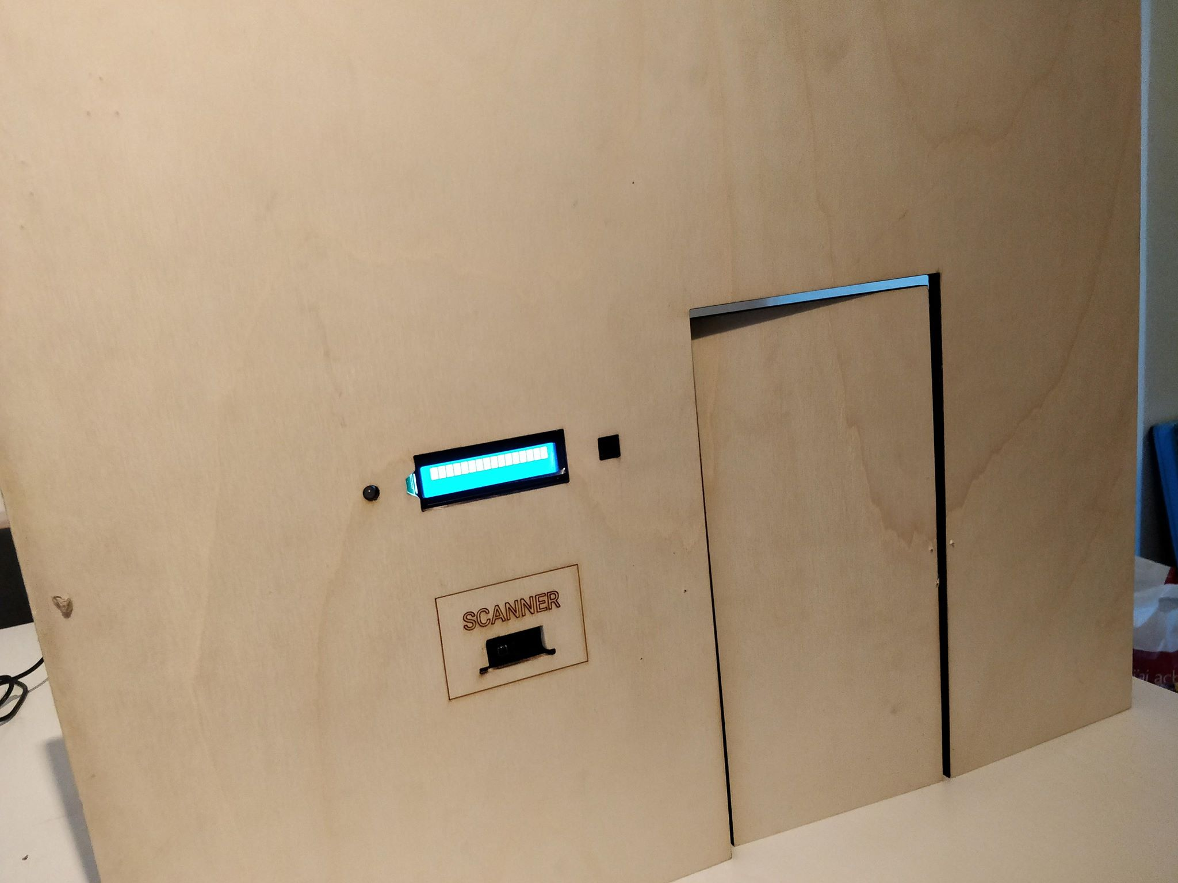
 | CLASS: | 1NMCT4
 | NAME: | Vanpoucke
 | FIRSTNAME: | Ben
 | Assembly Name : | LockChanger
 | Assembly Revision :
 | Approval Date :
 | Part Count : | 24
 | Total Cost : | €136

Part # | Part Name | Description | Revision | Qty | Supplier | also available from | Units | Unit Cost | Max Cost | Real Cost
1 | Barcode scanner | 2d barcode scanner to scan the QR code |  | 1 | https://nl.aliexpress.com/ | https://www.solidrop.net/ | 1 | € 23.61 | €23.61
2 | lock | electrical lock to open or close doors |  | 1 | https://nl.aliexpress.com/ | https://aliexpress.com/ |  | € 5.06 | €5.06
3 | 12v adaptor with connector | 12V adaptor with connector for the 12V lock |  | 1 | https://nl.aliexpress.com/ | https://aliexpress.com |  | € 1.58 | €1.58
4 | Adafruit FPC Stick - 20 Pin 0.5mm/1.0mm Pitch Adapter | printed circuit for the scanner |  | 1 | https://www.sossolutions.nl/ | https://www.amazon.co.uk/ |  | € 4.95 | €4.95
5 | rpi and accessories | microcontroller |  | 1 | https://aliexpress.com | https://www.sossolutions.nl/raspberry-pi-3b |  | € 52.41 | €52.41
6 | wires | to connect everything |  | 1 | https://nl.aliexpress.com/ | https://aliexpress.com/ |  | € 0.53 | €0.53
7 | heat shrink | to protect the solded components |  | 1 | https://nl.aliexpress.com/ | https://aliexpress.com/ |  | € 3.30 | €3.30
8 | bicolor led | gives feedback after scanning the code |  | 1 | old pc (hack) | https://nl.aliexpress.com/ |  | € 0.79 | €0.79
9 | resistor | makes sure the electric circuit is safe (f.ex. The led lights) |  | 1 | Arduino Kit | https://aliexpress.com/ |  | € 1.90 | €1.90
10 | buzze of boxje | gives feedback when the door is locked |  | 1 | Arduino Kit | https://aliexpress.com/ |  | € 0.71 | €0.71
11 | display | says if the code is valid |  | 1 | https://nl.aliexpress.com/ | https://www.opencircuit.be/ |  | € 1.89 | €1.89
12 | wires for 12v | thicker wires for 12v |  | 1 | https://aliexpress.com/ | https://aliexpress.com/ |  | € 0.53 | €0.53
13 | camera | back-up when barcode scanner does not work |  | 1 | https://nl.aliexpress.com/ | https://www.sossolutions.nl |  | € 6.68 | €6.68
14 | tip120 transistor | transistor to connect the lock |  | 1 | https://nl.aliexpress.com/ | https://nl.aliexpress.com/ |  | € 1.48 | €1.48
15 | tin | to solder |  | 1 | https://nl.aliexpress.com/ | https://www.reichelt.com |  | € 0.44 | €0.44
16 | desolder pump | to desolder |  | 1 | https://nl.aliexpress.com/ | https://www.megamobile.be/ |  | € 1.07 | €1.07
17 | solder sponge | to clean the soldering iron |  | 1 | https://nl.aliexpress.com/ | https://www.tme.eu/ |  | € 0.64 | €0.64
18 | jumper cable | wires that are easier to solder |  | 1 | https://nl.aliexpress.com/ | https://opencircuit.be/ |  | € 1.40 | €1.40
19 | flat cable connector | connector to assemble the barcode scanner |  | 1 | https://sinuss.be | https://www.digikey.com/ |  | € 8.88 | €8.88
20 | level shifter | serial communication |  | 1 | Arduino Kit | https://nl.aliexpress.com/ |  | € 1.06 | €1.06
21 | diode | to protect components |  | 1 | Arduino Kit | https://nl.aliexpress.com/ |  | € 0.73 | €0.73
21 | potential meter | display intensity |  | 1 | Arduino Kit | https://nl.aliexpress.com/ |  | € 0.38 | €0.38
22 | wood | wooden frame |  | 1 | Bought from school | https://www.hubo.be/ |  | € 3.50 | €3.50
23 | lazer cutter | to cut the wooden frame |  | 1 | Did it on school |  |  | € 10.00 | €10.00
22 | wood | hinges |  | 1 | Euroshop | https://www.hubo.be/ |  | € 2.85 | €2.85
 | Total |  |  | 24 |  |  |  |  | €136.37

Example

Bill of Materials for LEGO® Design
Voorbeeld enkel als illustratie van hoe je elementen oplijst!
 |  |  | Assembly Name : | Mini X-Wing™ |  |  |  |  |  | [42]
 |  |  | Assembly Number : | Custom
 |  |  | Assembly Revision :
 |  |  | Approval Date :
 |  |  | Pieces : | 46
 |  |  | Total Cost : | $5.85

Category | Part # | Elem ID | Part Name | Color | Qty | Supplier | Alternative available from | Action? | Units | Picture | Unit Cost | max Cost | Real Cost
Bricks, Sloping | 50746 | 4504369 | ROOF TILE 1X1X2/3, ABS | 1 - White | 1 | nephew | 4500069: Plate 1X2 W. 1 Knob | Brickset: LEGO set guide and database. (n.d.). Retrieved 21 February 2017, from http://brickset.com/parts/4500069 |  | each |  | $0.10 | $0.10 | $0.10
Plates | 3024 | 302401 | PLATE 1X1 | 1 - White | 1 | nephew | 4500069: Plate 1X2 W. 1 Knob | Brickset: LEGO set guide and database. (n.d.). Retrieved 21 February 2017, from http://brickset.com/parts/4500069 |  | each |  | $0.10 | $0.10 | $0.10
Plates | 3023 | 302301 | PLATE 1X2 | 1 - White | 2 | nephew | 4500069: Plate 1X2 W. 1 Knob | Brickset: LEGO set guide and database. (n.d.). Retrieved 21 February 2017, from http://brickset.com/parts/4500069 |  | each |  | $0.10 | $0.20 | $0.20
Plates | 3023 | 4211398 | PLATE 1X2 | 194 - Medium Stone Grey | 1 | nephew | 4500069: Plate 1X2 W. 1 Knob | Brickset: LEGO set guide and database. (n.d.). Retrieved 21 February 2017, from http://brickset.com/parts/4500069 |  | each |  | $0.10 | $0.10 | $0.10
Plates | 3794 | 379401 | PLATE 1X2 W. 1 KNOB | 1 - White | 1 | nephew | 4500069: Plate 1X2 W. 1 Knob | Brickset: LEGO set guide and database. (n.d.). Retrieved 21 February 2017, from http://brickset.com/parts/4500069 |  | each |  | $0.10 | $0.10 | $0.10
Plates | 3623 | 362301 | PLATE 1X3 | 1 - White | 1 | nephew | 4500069: Plate 1X2 W. 1 Knob | Brickset: LEGO set guide and database. (n.d.). Retrieved 21 February 2017, from http://brickset.com/parts/4500069 |  | each |  | $0.10 | $0.10 | $0.10
Plates | 3623 | 362321 | PLATE 1X3 | 21 - Bright Red | 1 | nephew | 4500069: Plate 1X2 W. 1 Knob | Brickset: LEGO set guide and database. (n.d.). Retrieved 21 February 2017, from http://brickset.com/parts/4500069 |  | each |  | $0.10 | $0.10 | $0.10
Plates | 94148 | 302201 | PLATE 2X2 | 1 - White | 1 | nephew | 4500069: Plate 1X2 W. 1 Knob | Brickset: LEGO set guide and database. (n.d.). Retrieved 21 February 2017, from http://brickset.com/parts/4500069 |  | each |  | $0.15 | $0.15 | $0.15
Plates, Special | 6141 | 4210633 | PLATE 1X1 ROUND | 199 - Dark Stone Grey | 1 | nephew | 4500069: Plate 1X2 W. 1 Knob | Brickset: LEGO set guide and database. (n.d.). Retrieved 21 February 2017, from http://brickset.com/parts/4500069 |  | each |  | $0.10 | $0.10 | $0.10
Plates, Special | 3070 | 307021 | FLAT TILE 1X1 | 21 - Bright Red | 4 | nephew | 4500069: Plate 1X2 W. 1 Knob | Brickset: LEGO set guide and database. (n.d.). Retrieved 21 February 2017, from http://brickset.com/parts/4500069 |  | each |  | $0.10 | $0.40 | $0.40
Plates, Special | 2412 | 241201 | RADIATOR GRILLE 1X2 | 1 - White | 1 | nephew | 4500069: Plate 1X2 W. 1 Knob | Brickset: LEGO set guide and database. (n.d.). Retrieved 21 February 2017, from http://brickset.com/parts/4500069 |  | each |  | $0.10 | $0.10 | $0.10
Plates, Special | 6019 | 4538353 | PLATE 1X1 W/HOLDER VERTICAL | 1 - White | 4 | nephew | 4500069: Plate 1X2 W. 1 Knob | Brickset: LEGO set guide and database. (n.d.). Retrieved 21 February 2017, from http://brickset.com/parts/4500069 |  | each |  | $0.15 | $0.60 | $0.60
Plates, Special | 2431 | 4558168 | FLAT TILE 1X4 | 1 - White | 1 | nephew | 4500069: Plate 1X2 W. 1 Knob | Brickset: LEGO set guide and database. (n.d.). Retrieved 21 February 2017, from http://brickset.com/parts/4500069 |  | each |  | $0.20 | $0.20 | $0.20
Plates, Special | 63868 | 4535737 | PLATE 2X1 W/HOLDER,VERTICAL | 1 - White | 4 | nephew | 4500069: Plate 1X2 W. 1 Knob | Brickset: LEGO set guide and database. (n.d.). Retrieved 21 February 2017, from http://brickset.com/parts/4500069 |  | each |  | $0.15 | $0.60 | $0.60
Plates, Special | 2540 | 4211632 | PLATE 1X2 W. STICK | 194 - Medium Stone Grey | 4 | nephew | 4500069: Plate 1X2 W. 1 Knob | Brickset: LEGO set guide and database. (n.d.). Retrieved 21 February 2017, from http://brickset.com/parts/4500069 |  | each |  | $0.15 | $0.60 | $0.60
Plates, Special | 3176 | 4225733 | COUPLING PLATE 2X2 | 199 - Dark Stone Grey | 1 | nephew | 4500069: Plate 1X2 W. 1 Knob | Brickset: LEGO set guide and database. (n.d.). Retrieved 21 February 2017, from http://brickset.com/parts/4500069 |  | each |  | $0.20 | $0.20 | $0.20
Bricks, Special | 49668 | 4224793 | PLATE 1X1 W/TOOTH | 5 - Brick Yellow | 1 | nephew | 4500069: Plate 1X2 W. 1 Knob | Brickset: LEGO set guide and database. (n.d.). Retrieved 21 February 2017, from http://brickset.com/parts/4500069 |  | each |  | $0.10 | $0.10 | $0.10
Technic | 32123 | 4211573 | 1/2 BUSH | 194 - Medium Stone Grey | 4 | nephew | 4500069: Plate 1X2 W. 1 Knob | Brickset: LEGO set guide and database. (n.d.). Retrieved 21 February 2017, from http://brickset.com/parts/4500069 |  | each |  | $0.10 | $0.40 | $0.40
Technic | 6590 | 4211622 | BUSH FOR CROSS AXLE | 194 - Medium Stone Grey | 8 | nephew | 4500069: Plate 1X2 W. 1 Knob | Brickset: LEGO set guide and database. (n.d.). Retrieved 21 February 2017, from http://brickset.com/parts/4500069 |  | each |  | $0.15 | $1.20 | $1.20
Accessories | 3957 | 4211473 | STICK/AERIAL | 194 - Medium Stone Grey | 4 | nephew | 4500069: Plate 1X2 W. 1 Knob | Brickset: LEGO set guide and database. (n.d.). Retrieved 21 February 2017, from http://brickset.com/parts/4500069 |  | each |  | $0.10 | $0.40 | $0.40
 |  |  | Total |  | 46 |  |  |  |  |  |  | $5.85 | $5.85

